Foglio1
DESCRIPTION: |  | ELECTRICAL PARTS |  |  | SN from 02I20

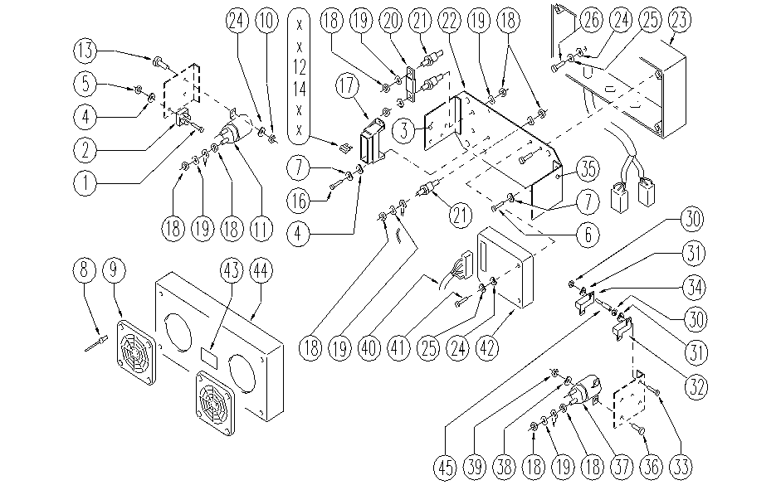

 | ITEM | SKU | DESCRIPTION | QTY
 | 1 | E89169 | Screw | 1
 | 2 | E89088 | Rectifier | 1
 | 3 | SL39082-1 | BRACKET | 1
 | 4 | SL06019 | WASHER | 8
 | 5 | E86797 | Washer | 2
 | 6 | E86739 | AS28 Nut | 4
 | 7 | E89250 | Washer | 4
 | 8 | SL14039 | RIVET | 8
 | 9 | E89155 | Grating | 2
 | 10 | SL05043 | NUT | 2
 | 11 | E86420 | Relay | 1
 | 12 | E86647 | Fuse 40A | 1
 | 13 | SL04081 | SCREW | 2
 | 14 | E89086 | Fuse 10A | 1
 | 16 | SL04186 | SCREW | 2
 | 17 | E89468 | Fuse Carrier | 1
 | 18 | E86703 | Nut M8 | 18
 | 19 | E89119 | Washer | 12
 | 20 | E87859 | Main Fuse FS 28/32 | 1
 | 21 | E86563 | support | 3
 | 22 | SL39082 | PLATE | 1
 | 23 | E86775 | box base FS28/32 | 1
 | 24 | E86750 | Washer D5 | 6
 | 25 | SL06094 | WASHER | 4
 | 26 | E89473 | Screw | 4
 | 27 | E88219 | Screw | 4
 | 30 | E88225 | Nut | 4
 | 31 | E88220 | Washer | 4
 | 32 | E89122 | Resistance | 1
 | 33 | SL04179 | SCREW | 2
 | 34 | E89433 | Resistor AS30/36 | 1
 | 35 | SL39082-2 | BRACKET | 1
 | 36 | E89244 | Screw | 2
 | 37 | E87817 | Brush Motor Relay FM28/32 | 1
 | 38 | E86707 | Cham Washer D10 | 2
 | 39 | E87868 | Self Locking Nut | 2
 | 40 | SL23221 | CONNECTOR | 1
 | 41 | SL04385 | SCREW | 2
 | 42 | E87761 | Traction Card | 1
 | 43 | E89162 | Label for fuse FS28 | 1
 | 44 | E86598 | electrical box FS28/32 | 1
 | 45 | SL07534 | SPACER | 2

